Fabric Project
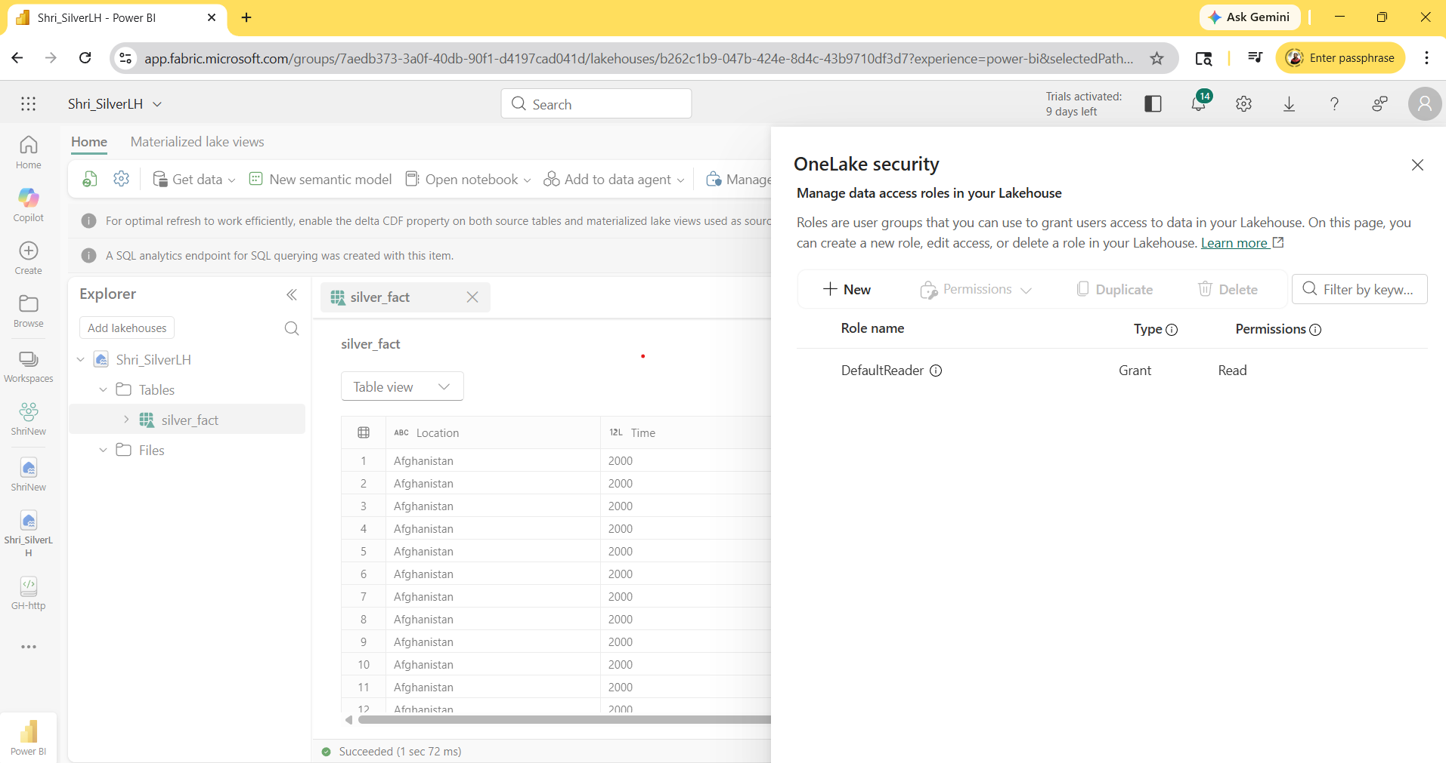
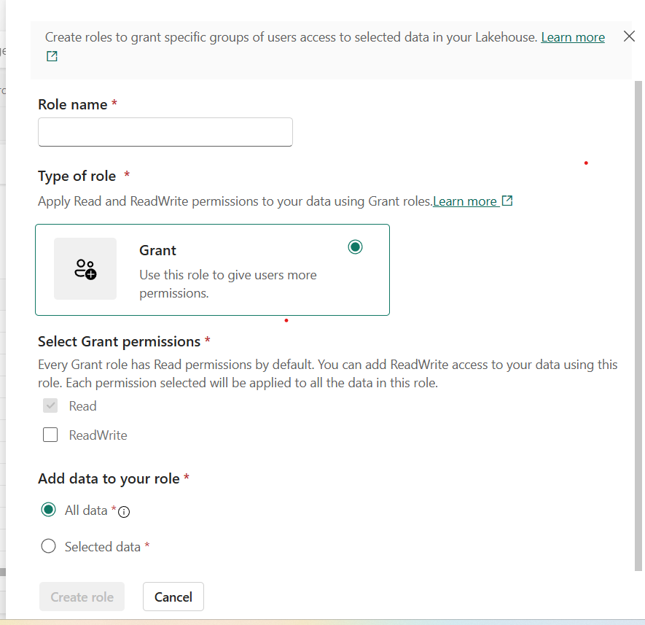
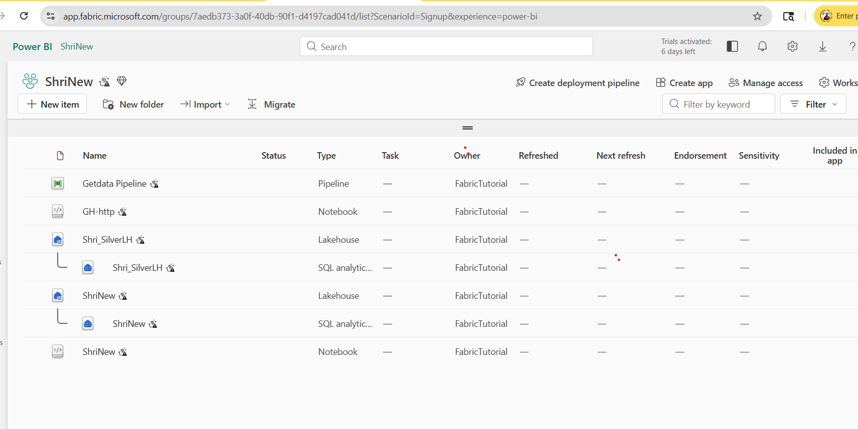
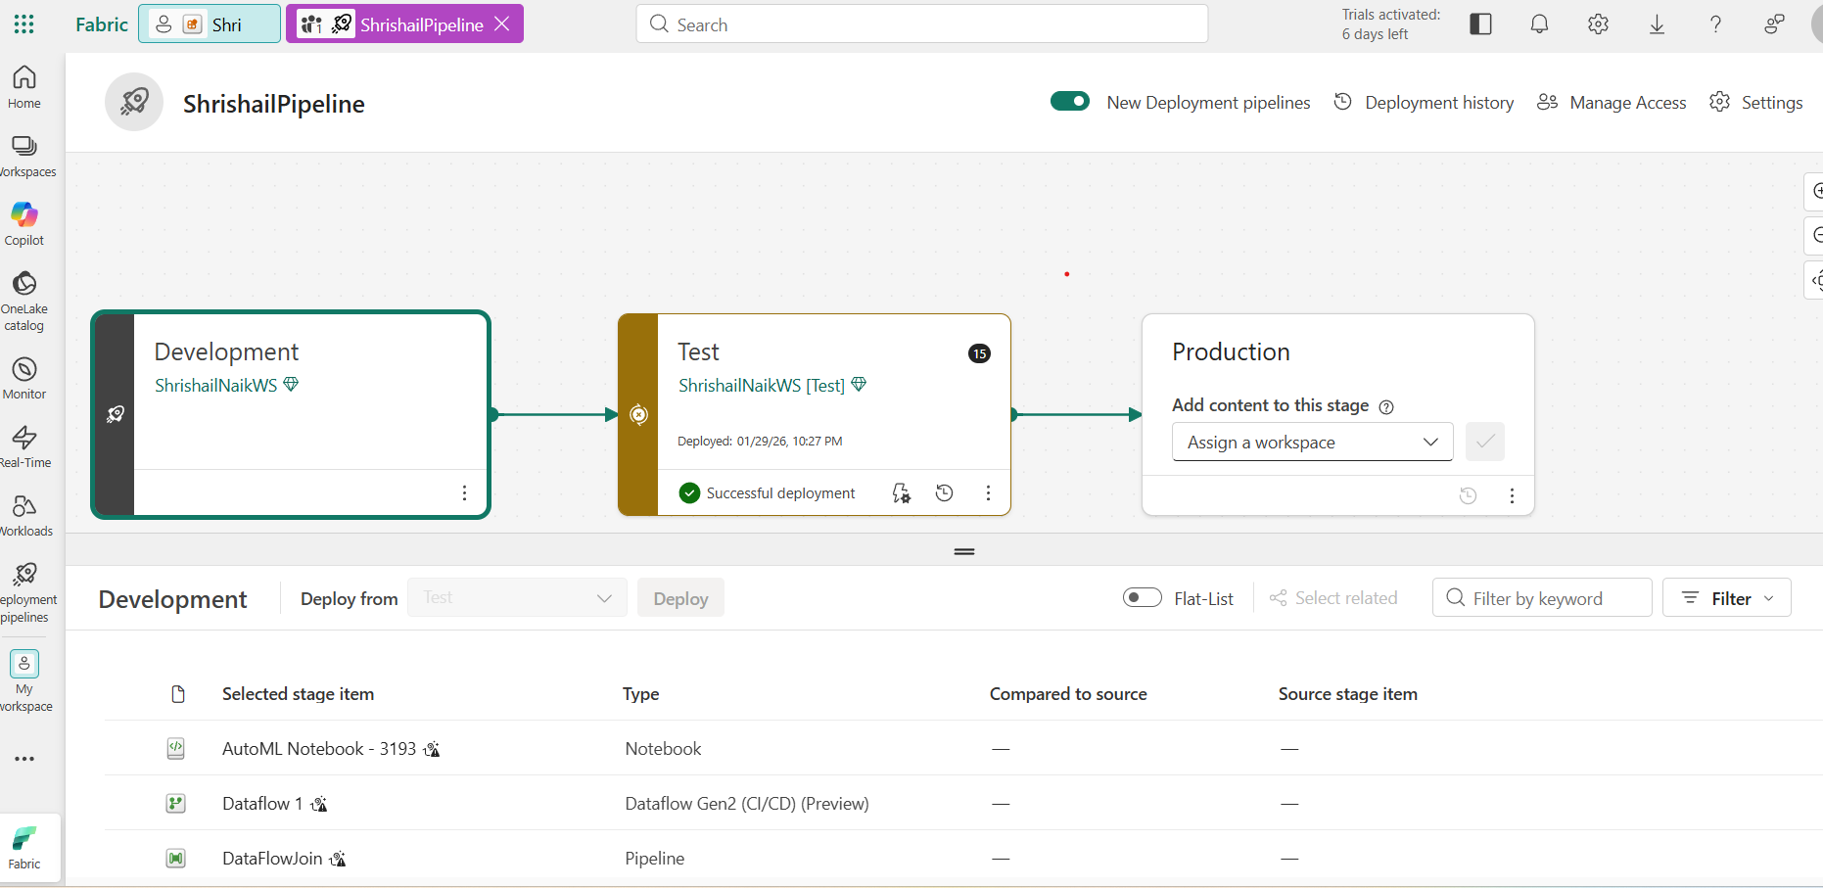
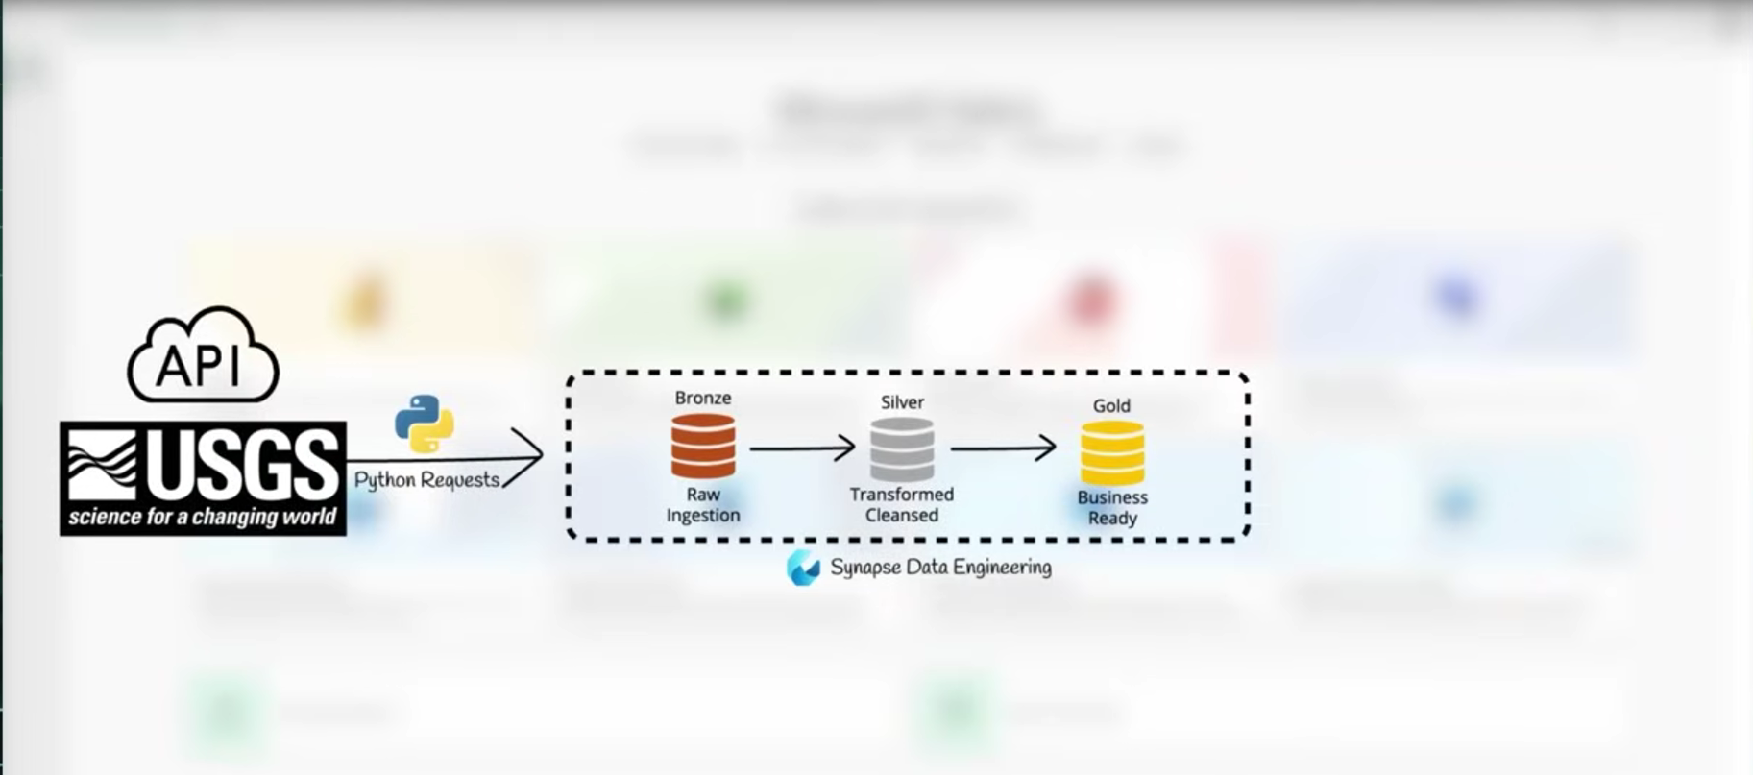

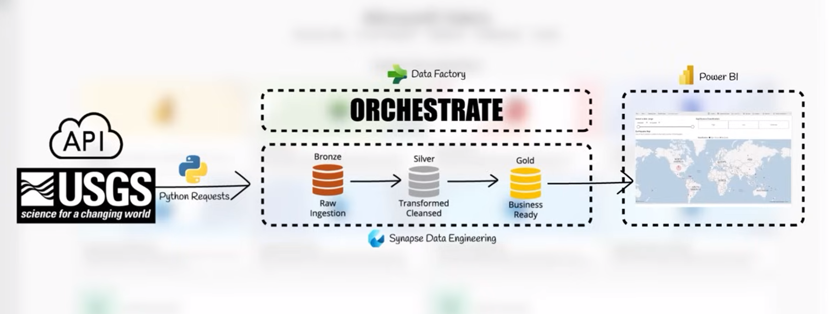

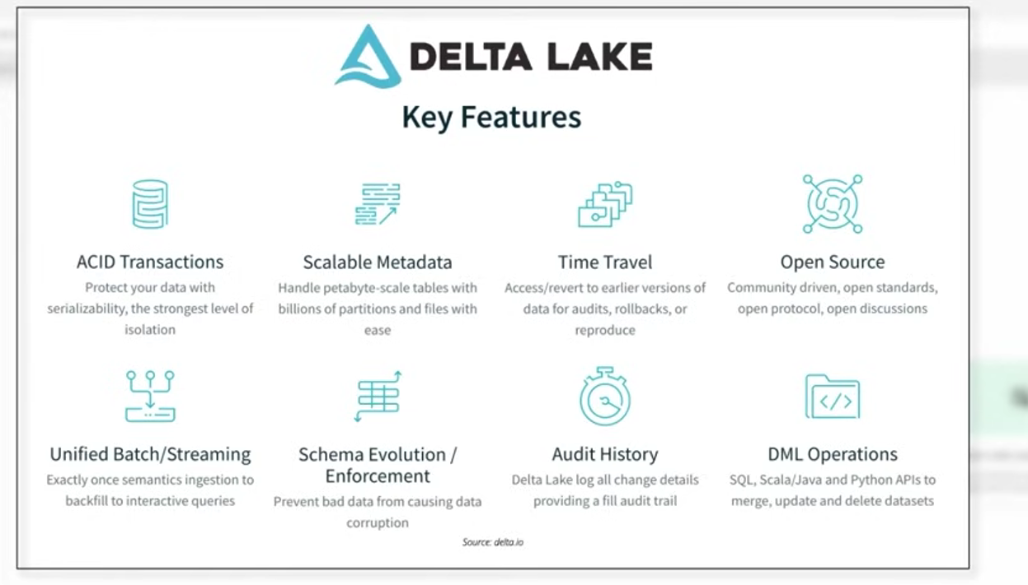

 | Lakehouse is central data repository which can store structured & unstructered Data which includes both Data lake & warehouse features.

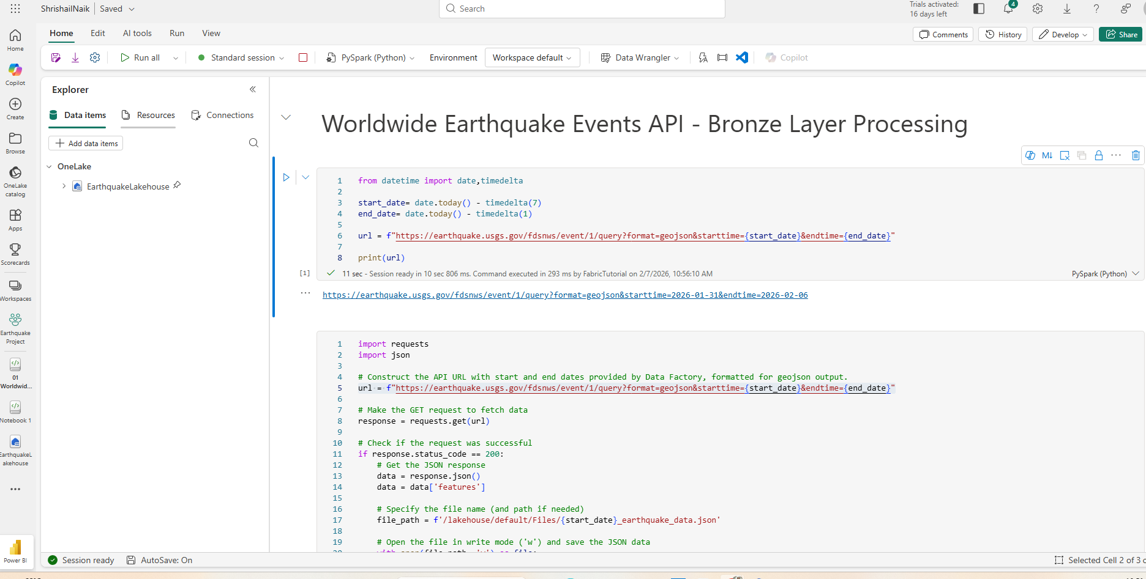

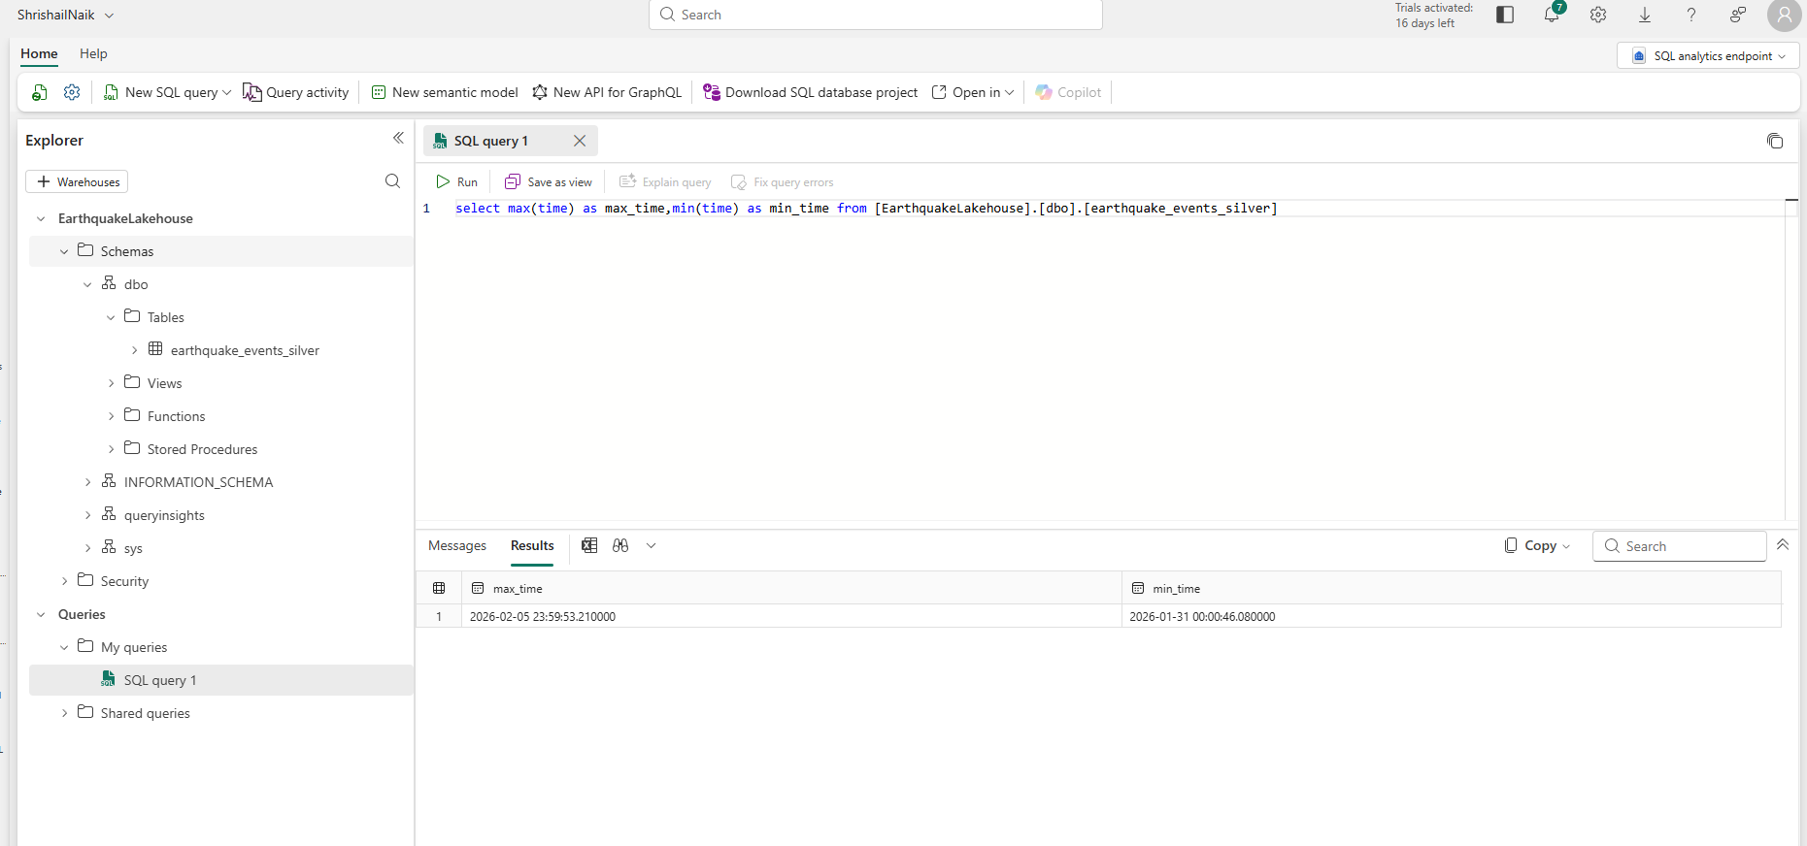

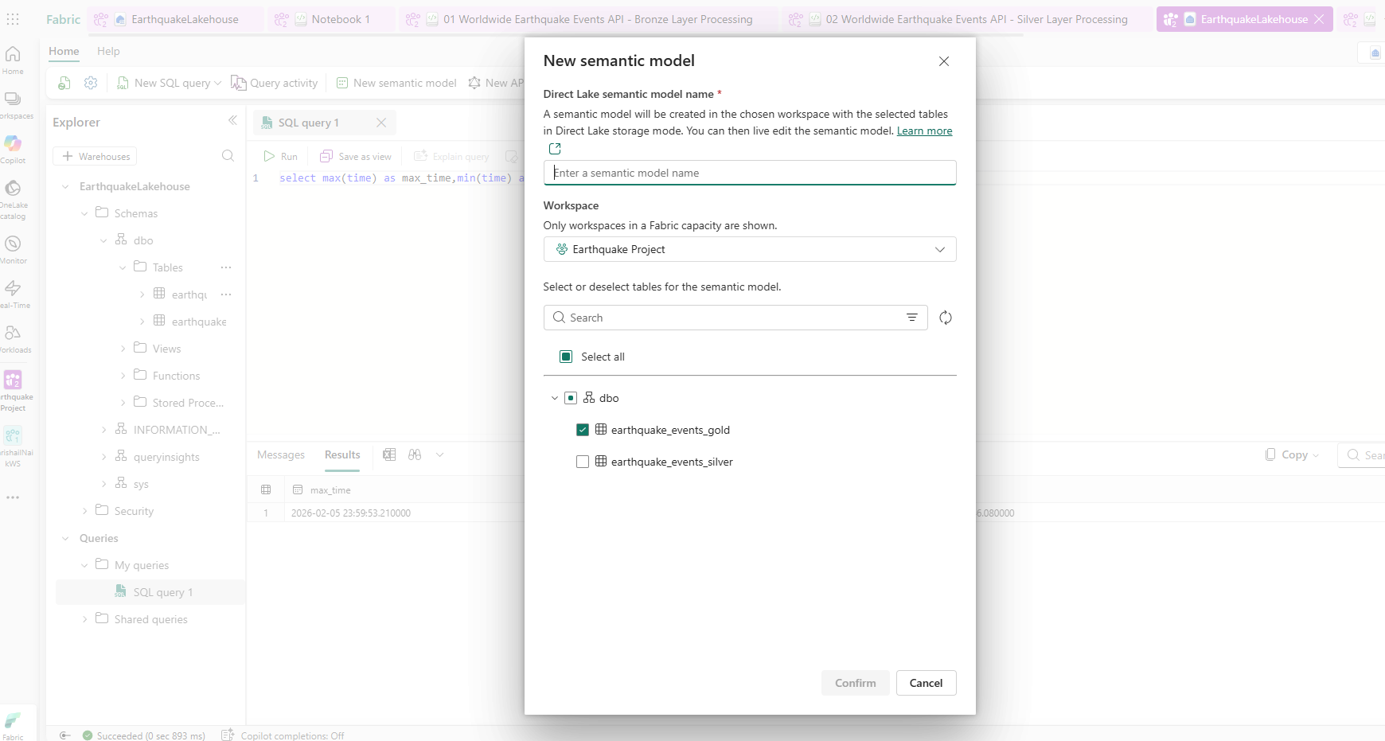

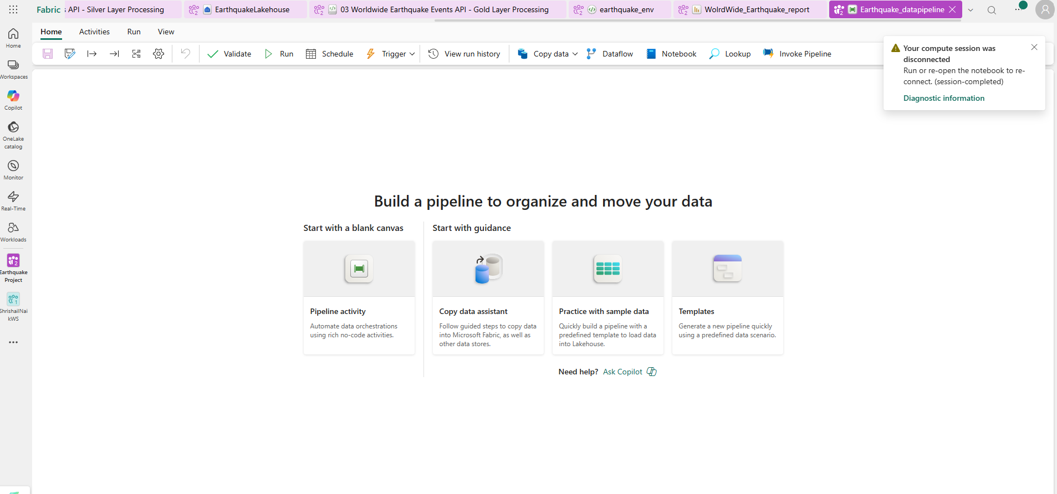

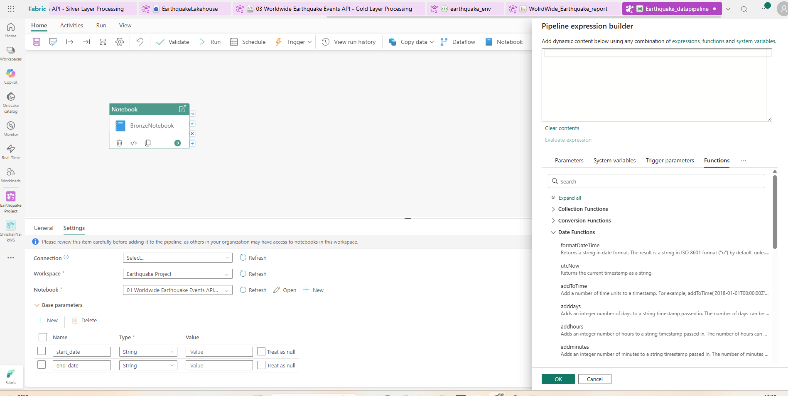

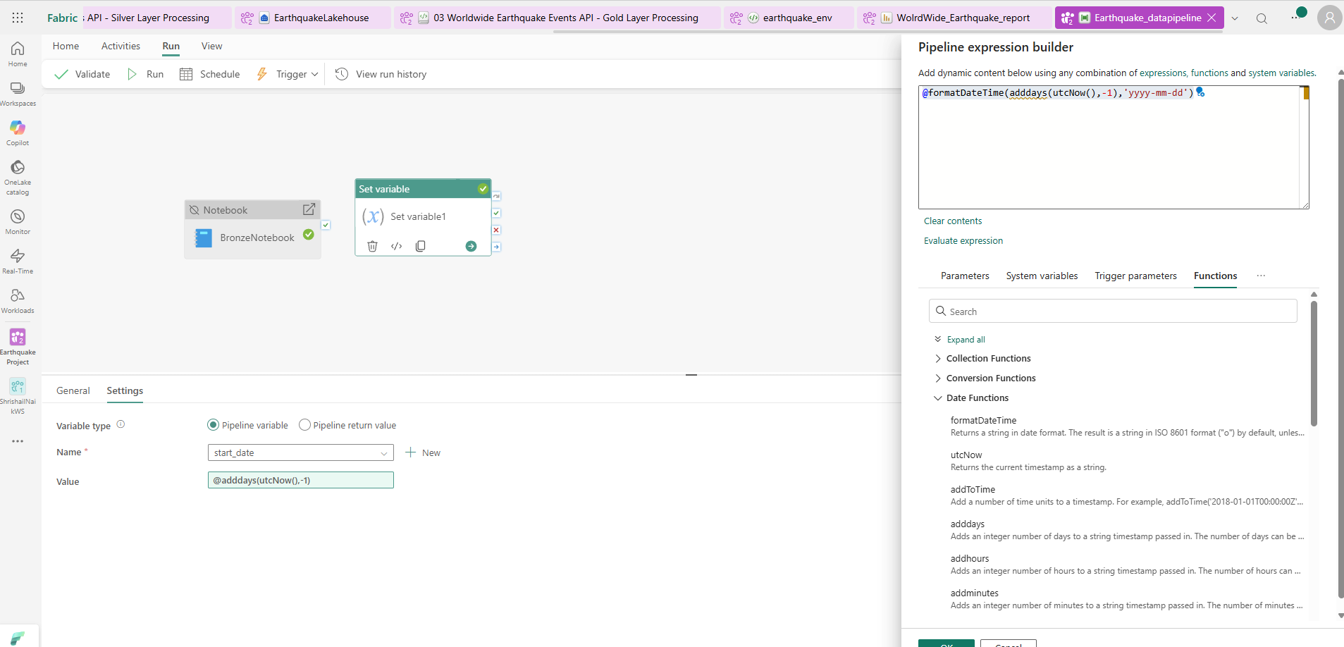

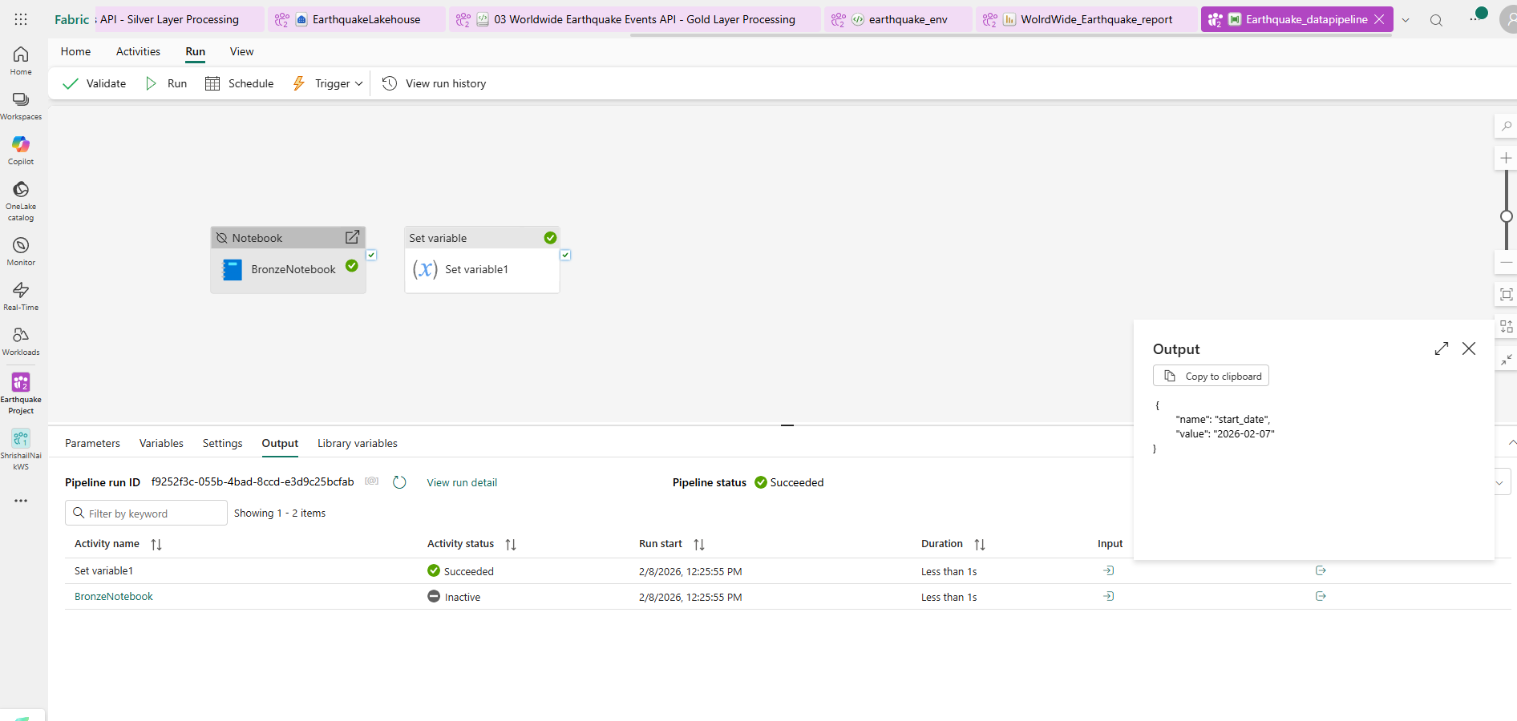

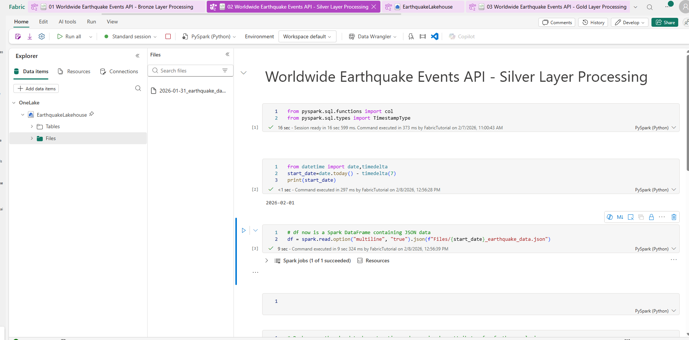

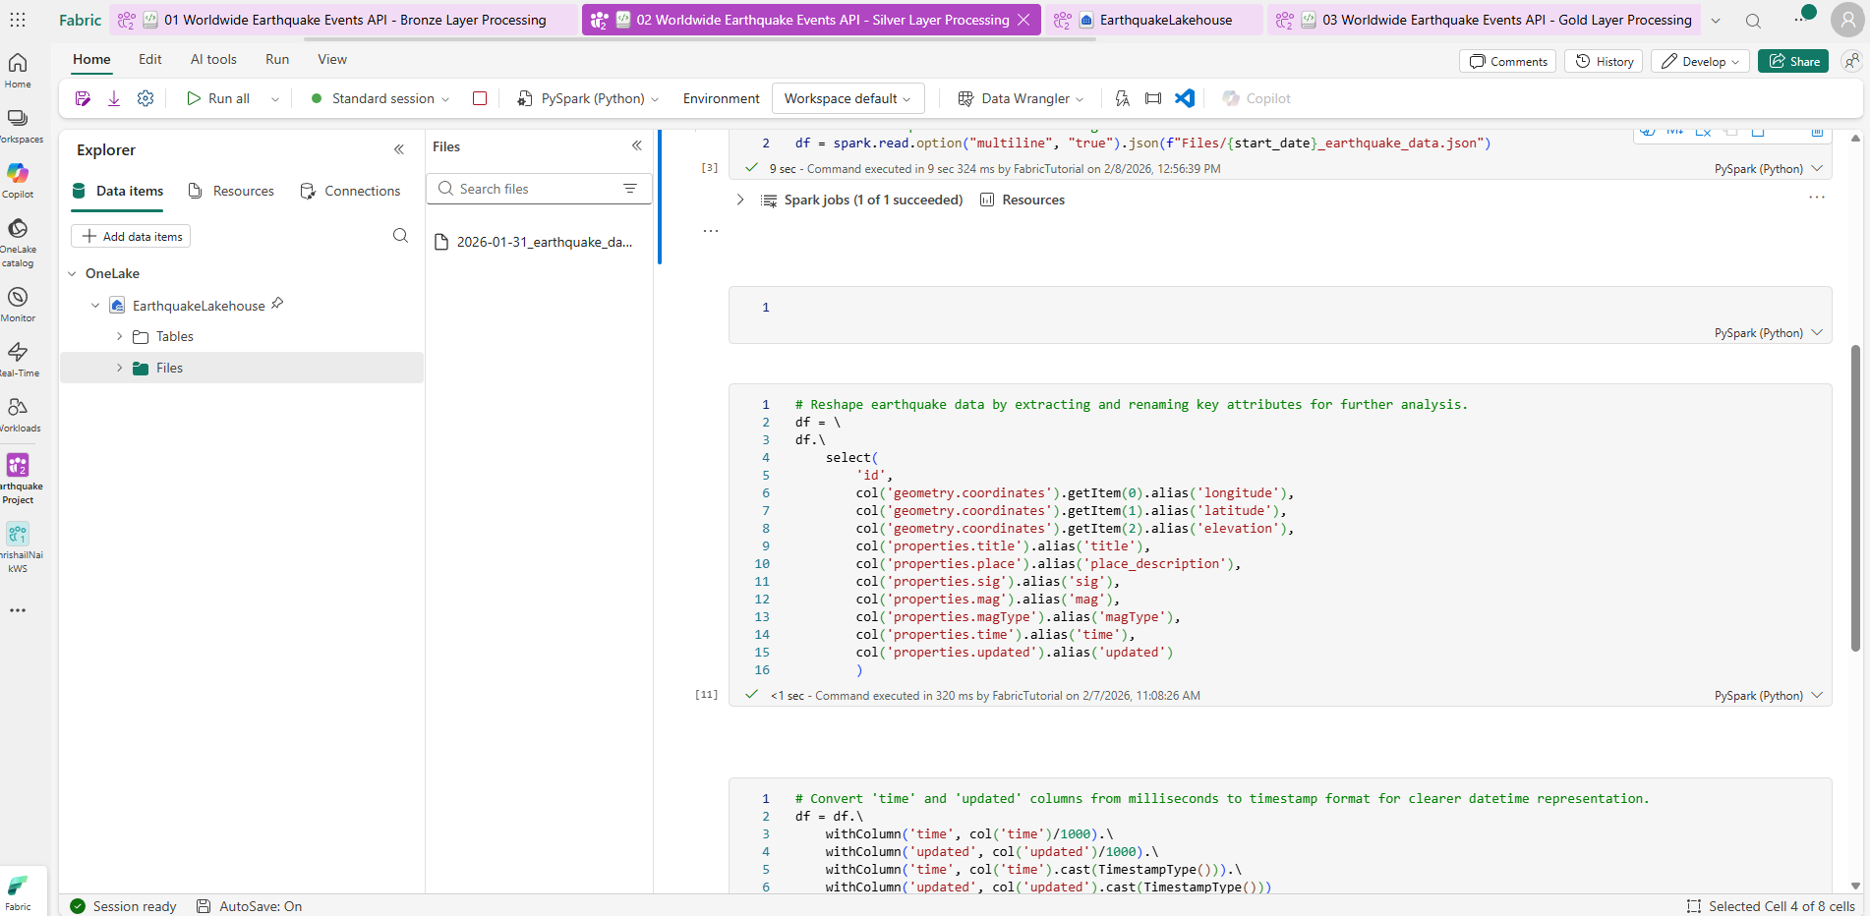

from pyspark.sql import functions as F
df = spark.sql("SELECT * FROM ShriNew.Bronzeed_Fact")
df = df.select(['Location','Time','AgeGrp','PopMale','PopFemale'])
df=df.withColumn('AgeGrp',F.regexp_replace('AgeGrp',"09-May","5-9"))
df=df.withColumn('AgeGrp',F.regexp_replace('AgeGrp',"9-May","5-9"))
df=df.withColumn('AgeGrp',F.regexp_replace('AgeGrp',"14-Oct","10-14"))
df=df.withColumn('AgeGrp',F.regexp_replace('AgeGrp',"#N/A","NA"))
display(df)
display(df.groupBy('Location').agg({"AgeGrp":"Count"}))
df_clean= df_clean.unpivot(
['Location','Time','AgeGrp'], ['Male','Female'], "Gender", "Population"
)
df_clean.write.format("delta").saveAsTable("silver_Fact")

